Step by Step
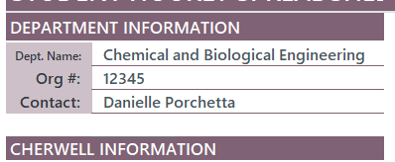
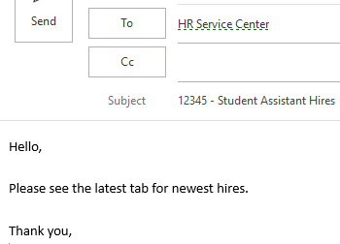
Department Step by Step (Brief)
For a more detailed step by step with explantions on what each transaction type means and where to find the information, please see the guide which is linked in the "Resources" box on the MM.DD.YY tab.
1) Save spreadsheet under desired name.
2) Fill out the department information section at the top
2) Name "Tab" the date of the request using format MM.DD.YY
3) Fill out spreadsheet accordingly
a) The first column (D) indicates the transaction type. Each selection will highlight information required for that transaction
b) The "Effective Date" should be included for all requests
c) To indicate multiple funding distributions, please list them on the same row.
d) "Service Center Use Only" should remained untouched
4) Submit spreadsheet to HRSC@colorado.edu with Department Number in the subject
5) The Service Center will send back the spreadsheet with transactional information once requests are complete.
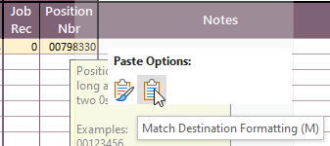
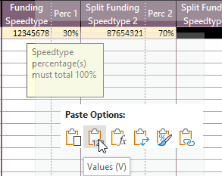
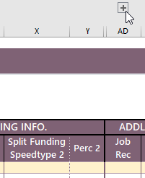
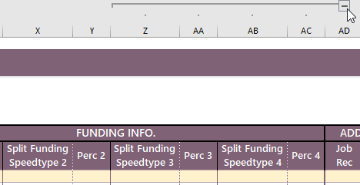
Special Notes
Copy and Paste
Pasting into the spreadsheet using "control + v" breaks the conditional formatting. If you want to paste, please right click into the cell you want to paste and choose
1) "Values" if copying and pasting from excel to excel OR 2) “Match Destination Formatting (M)” if copying from outside excel and pasting into excel
Hidden Columns and Rows
The + and - buttons to the left of the cells and above the cells hide and unhide columns. Example: the + button above the pay rate column, unhides the "Working Title" column and the + above the job record column, unhides additional funding cells.

