Step by Step
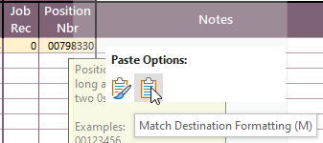
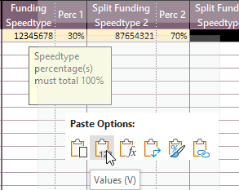
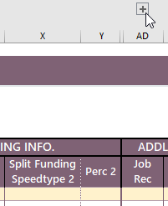
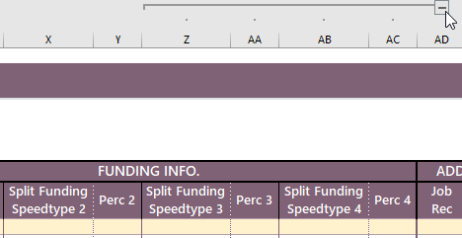
Special Notes
Copy and Paste
Pasting into the spreadsheet using "control + v" breaks the conditional formatting. If you want to paste, please right click into the cell you want to paste and choose
1) "Values" if copying and pasting from excel to excel OR 2) “Match Destination Formatting (M)” if copying from outside excel and pasting into excel
Hidden Columns and Rows
The + and - buttons to the left of the cells and above the cells hide and unhide columns. Example: the + button above the pay rate column, unhides the "Working Title" column and the + above the job record column, unhides additional funding cells.
 |  | Department Step by Step
1.) |  | Save spreadsheet under desired name.
2.) |  | Name "Tab" the date of the request using format MM.DD.YY
3.) |  | Fill out spreadsheet accordingly. If possible, please DO NOT leave any columns blank.
 | a.) | Please provide a valid pay period end date. (See Resources tab for source)
 | b.) | Please provide hours earned by week.
 | c.) | “Service Center Use Only” should remain untouched
4.) |  | Submit spreadsheet to HRSC@colorado.edu with Department Number in the title
5.) |  | Right click on most current tab to "Move or Copy" and rename it with the date of your request every time you have transactional requests for hourly employees | 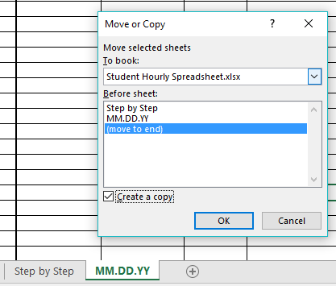
6.) |  | The Service Center will send back the spreadsheet with transactional information once requests are complete

