Special Notes
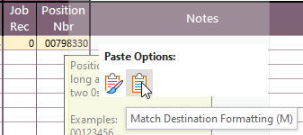
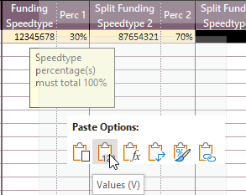
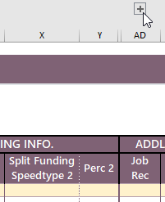
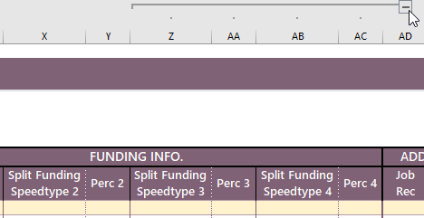
Special Notes
Copy and Paste
Pasting into the spreadsheet using "control + v" breaks the conditional formatting. If you want to paste, please right click into the cell you want to paste and choose
1) "Values" if copying and pasting from excel to excel OR 2) “Match Destination Formatting (M)” if copying from outside excel and pasting into excel
Hidden Columns and Rows
The + and - buttons to the left of the cells and above the cells hide and unhide columns. Example: the + button above the pay rate column, unhides the "Working Title" column and the + above the job record column, unhides additional funding cells.

