Fringe Benefits
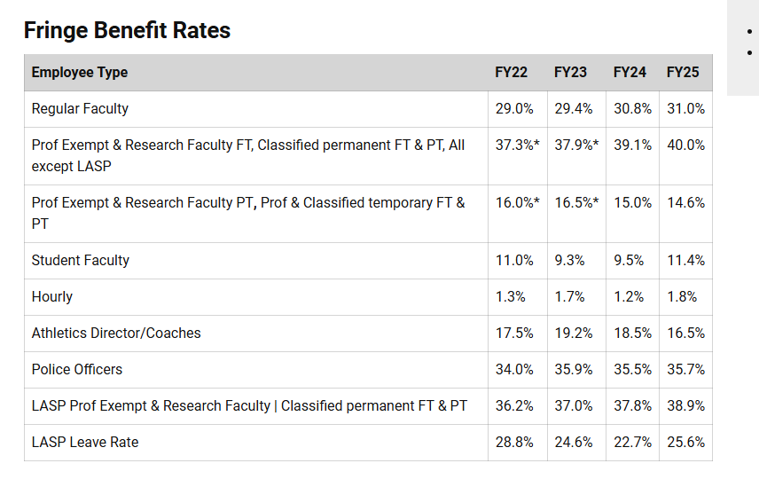
Location: |  |  |  |  |  | 21 | 22 | 23 | 24 | 25 | 26 | 27 | 28 | 29 | 30
Path: | N/A |  |  |  | Classified Staff FT/Perm | 37.3% | 37.9% | 37.9% | 39.1% | 40.0%
 |  |  |  |  | Classified Staff PT/Temp | 16.0% | 16.5% | 16.5% | 15.0% | 14.6%
 |  |  |  |  | Hourly FT/Perm | 0.0% | 0.0% | 0.0% | 0.0% | 0.0%
Fringe Benefit Rates | effective 07/1/23 |  | effective 07/1/24 |  | Hourly PT/Temp | 1.3% | 1.7% | 1.7% | 1.2% | 1.8%
Employee Group | FT/Perm | PT/Temp | FT/Perm | PT/Temp | Univ Staff/Rsch Faculty FT/Perm | 37.3% | 37.9% | 37.9% | 39.1% | 40.0%
Classified Staff | 39.1% | 15.0% | 40.0% | 14.6% | Univ Staff/Rsch Faculty PT/Temp | 16.0% | 16.5% | 16.5% | 15.0% | 14.6%
Hourly | 0.0% | 1.2% | 0.0% | 1.8% | Regular Faculty FT/Perm | 29.0% | 29.4% | 29.4% | 30.8% | 31.0%
Univ. Staff/Rsch Fac | 39.1% | 15.0% | 40.0% | 14.6% | Regular Faculty PT/Temp | 0.0% | 0.0% | 0.0% | 0.0% | 0.0%
Regular Faculty | 30.8% | 0.0% | 31.0% | 0.0% | Student Faculty FT/Perm | 0.0% | 0.0% | 0.0% | 0.0% | 0.0%
Student Faculty | 0.0% | 9.5% | 0.0% | 11.4% | Student Faculty PT/Temp | 11.0% | 9.3% | 9.3% | 9.5% | 11.4%

Backup:

ICR Rates
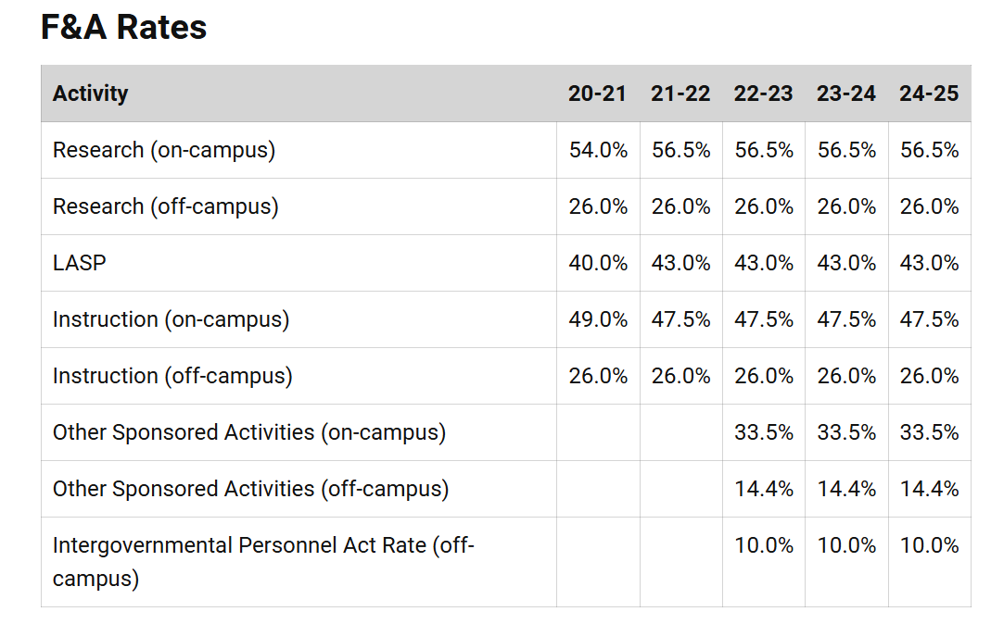
Location: | https://www.colorado.edu/controller/resources/fa-%C2%A0gair-rates
Path: | N/A

ICR Rates | Location | From | To | Rate
Research | On Campus | 07/1/2023 | 6/30/2025 | 56.5%
Research | Off Campus | 07/1/2023 | 6/30/2025 | 26.0%
Instruction | On Campus | 07/1/2023 | 6/30/2025 | 47.5%
Instruction | Off Campus | 07/1/2023 | 6/30/2025 | 26.0%
LASP | All | 07/1/2023 | 6/30/2025 | 43.0%

Backup:

OCG
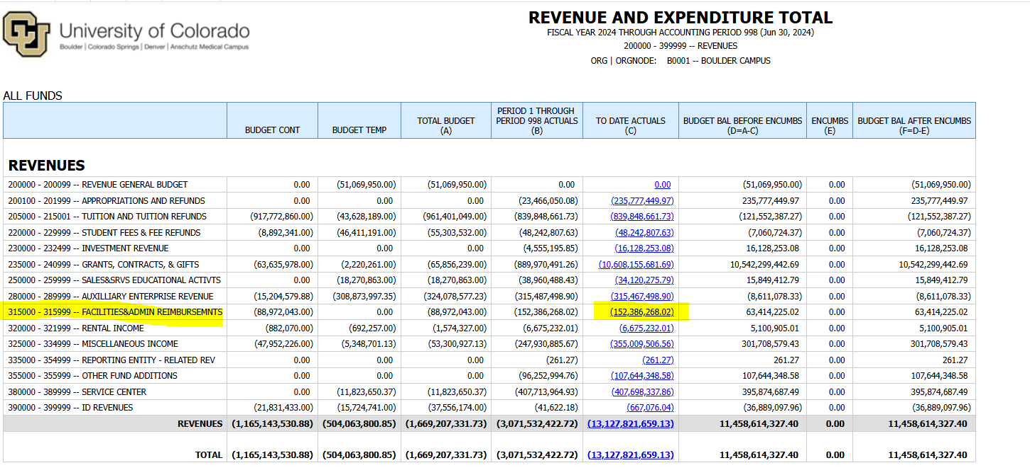
Location: | https://www.colorado.edu/ocg/annual-report
Path:
Notes: | Contact Roger McCormick and Nicole Jenkins in OCG, data will not be published on website until October so you will have to wait to upload on the website until OCG allows
 | ICR data: run a REVENUE AND EXPENDITURE TOTAL query in mFin for last FY, take the to date actuals for accounts 315000-315999 Facilities & Admin Reimbursements |  |  |  |  |  |  | Sponsored Projects ( $ in millions)
 |  |  |  |  |  |  |  | FY | # of Proposals | # of Awards | Award Total | % change vs. prior year | Direct Expense | ICR | % change vs. prior year
Sponsored Projects ( $ in millions) |  |  |  |  |  |  |  | 2016-2017 | 2,348 | 2,019 | $507.9 | 16.3% | $463.6 | $89.9 | -2.5%
FY | # of Proposals | # of Awards | Award Total | % change vs. prior year | Direct Expense | ICR | % change vs. prior year | 2017-2018 | 2,415 | 2,195 | $511.1 | 0.6% | $496.7 | $105.8 | 17.7%
2018-2019 | 2,412 | 2,299 | $630.9 | 23.4% | $489.9 | $109.1 | 3.1% | 2018-2019 | 2,412 | 2,299 | $630.9 | 23.4% | $489.9 | $109.1 | 3.1%
2019-2020 | 2,383 | 2,262 | $613.9 | -2.7% | $499.5 | $109.0 | -0.1% | 2019-2020 | 2,383 | 2,262 | $613.9 | -2.7% | $499.5 | $109.0 | -0.1%
2020-2021 | 2,515 | 2,257 | $634.4 | 3.3% | $499.5 | $116.5 | 6.9% | 2020-2021 | 2,515 | 2,257 | $634.4 | 3.3% | $499.5 | $116.5 | 6.9%
2021-2022 | 2,338 | 2,326 | $630.1 | -0.7% | $582.8 | $127.0 | 9.0% | 2021-2022 | 2,338 | 2,326 | $630.1 | -0.7% | $582.8 | $127.0 | 9.0%
2022-2023 | 2,442 | 2,283 | $656.4 | 4.2% | $624.8 | $140.7 | 10.8% | 2022-2023 | 2,442 | 2,283 | $656.4 | 4.2% | $624.8 | $140.7 | 10.8%
2023-2024 | 2,456 | 2,195 | $715.4 | 9.0% | $683.5 | $152.4 | 8.3% | 2023-2024 | 2,456 | 2,195 | $715.4 | 9.0% | $683.5 | $152.4 | 8.3%
 |  |  |  |  |  |  |  | 2024-2025 |  |  |  | -100.0% |  |  | -100.0%
 |  |  |  |  |  |  |  | 2025-2026 |  |  |  | #DIV/0! |  |  | #DIV/0!
Backup: |  |  |  |  |  |  |  | 2026-2027 |  |  |  | #DIV/0! |  |  | #DIV/0!
 |  |  |  |  |  |  |  | 2027-2028 |  |  |  | #DIV/0! |  |  | #DIV/0!
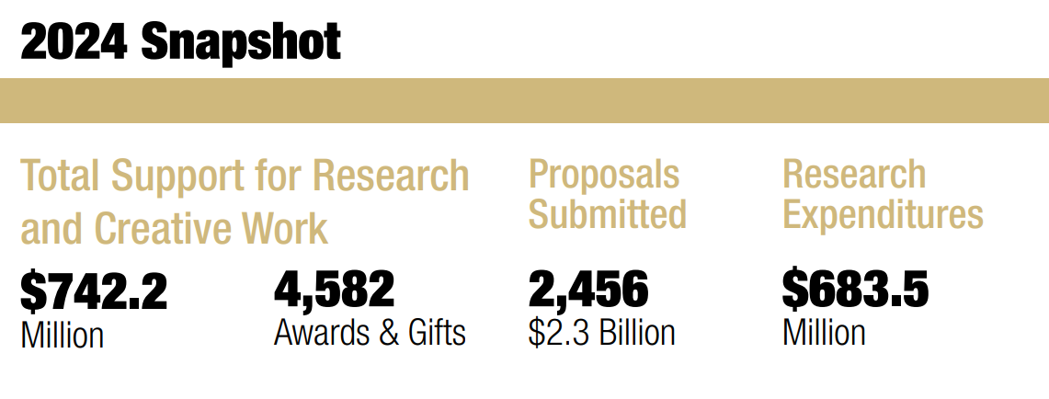
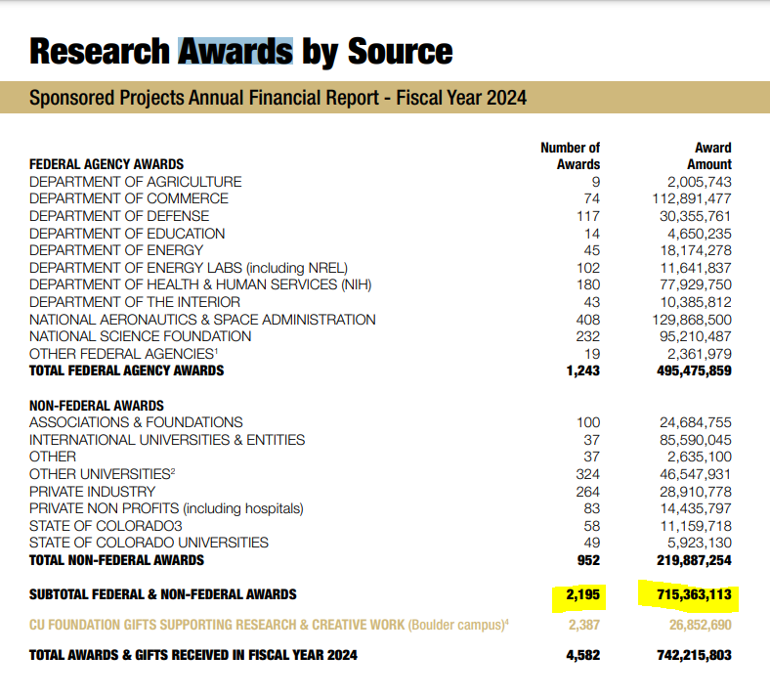
 |  |  |  |  |  |  |  | 2028-2029 |  |  |  | #DIV/0! |  |  | #DIV/0!
 |  |  |  |  |  |  |  | 2029-2030 |  |  |  | #DIV/0! |  |  | #DIV/0!

GAIR
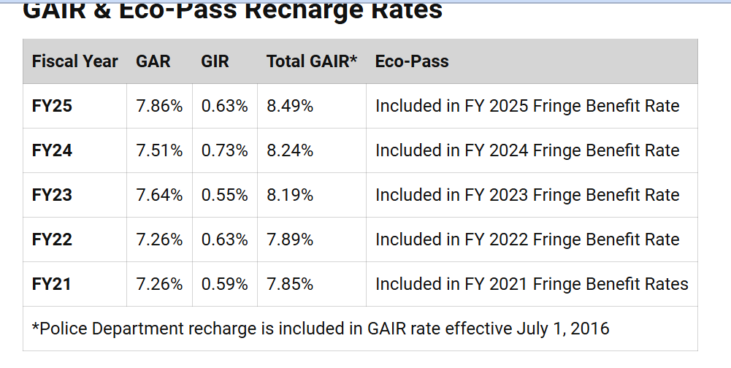
Location: | https://www.colorado.edu/controller/resources/fa-%C2%A0gair-rates |  |  |  |  | GAR | GIR | GAIR
Path: |  |  |  |  | FY20 | 7.06% | 0.62% | 7.68%
 |  |  |  |  | FY21 | 7.26% | 0.59% | 7.85%
 |  |  |  |  | FY22 | 7.26% | 0.63% | 7.89%
 | FY22 | FY23 | FY24 | FY25 | FY23 | 7.64% | 0.55% | 8.19%
GAR | 7.26% | 7.64% | 7.51% | 7.86% | FY24 | 7.51% | 0.73% | 8.24%
GIR | 0.63% | 0.55% | 0.73% | 0.63% | FY25 | 7.86% | 0.63% | 8.49%
GAIR | 7.89% | 8.19% | 8.24% | 8.49% | FY26
 |  |  |  |  | FY27
 |  |  |  |  | FY28
Backup: |  |  |  |  | FY29
 |  |  |  |  | FY30

State Appropriations
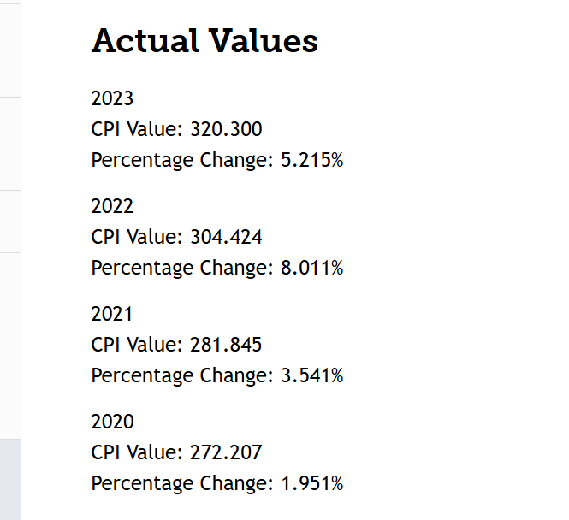
Location: | https://cdola.colorado.gov/inflation-denver-aurora-lakewood-consumer-price-index |  |  |  |  | Inflation rate by fiscal year | Inflation rate % |  | Fee for Service | COF | Total | Percent Change | $ Change
Path: |  |  |  |  |  | 2016 | 2.8% | 2019-20 | $49,812,040 | $41,404,678 | $91,216,718
Notes: | CU Boulder uses 2 years prior CPI % change (use 2017 for 2019) |  |  |  |  | 2017 | 1.2% | 2020-21 | 20.75 | 17.57 | $38,324,168 | -58.0% | ($52,892,550)
 |  |  |  |  |  | 2018 | 2.8% | 2021-22 | 56,460,058 | 42,293,747 | $98,753,805 | 157.7% | $60,429,637
State Appropriations (millions) by FY | State appropriation | % change vs. prior year | $ change vs. prior year | Inflation rate by fiscal year | Inflation rate % | 2019 | 3.4% | 2022-23 | 55,027,919 | 47,348,114 | $102,376,033 | 3.7% | $3,622,228
2022-23 fee for service | $55.0 | - |  | 2018 | 2.8% | 2020 | 2.7% | 2023-24 | 63,635,978 | 48,841,930 | $112,477,908 | 9.9% | $10,101,875
2022-23 College Opportunity Fund (COF) | $47.4 | - |  | 2019 | 3.4% | 2021 | 1.9% | 2024-25 | 73,691,063 | 50,186,294 | $123,877,357 | 10.1% | $11,399,449
2022-23 Total | $102.4 | 3.7% | $3.6 | 2020 | 2.7% | 2022 | 2.0% | 2025-26 |  |  | $0 | -100.0% | ($123,877,357)
2023-24 fee for service | $63.6 | - |  | 2021 | 1.9% | 2023 | 3.5% | 2026-27 |  |  | $0 | #DIV/0! | $0
2023-24 College Opportunity Fund (COF) | $48.8 | - |  | 2022 | 2.0% | 2024 | 8.0% | 2027-28 |  |  | $0 | #DIV/0! | $0
2023-24 Total | $112.5 | 9.9% | $10.1 | 2023 | 3.5% | 2025 | 0.05215
2024-25 fee for service | $73.7 | - |  | 2024 | 8.0% | 2026
2024-25 College Opportunity Fund (COF) | $50.2 | - |  | 2025 | 5.2% | 2027
2024-25 Total | $123.9 | 10.1% | $11.4 |  |  | 2028

Backup:

Employee Headcount
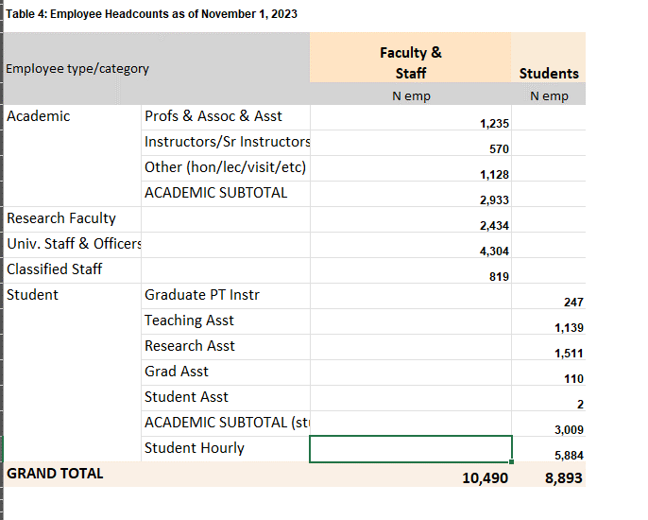
Location:
Path:
Notes: | Contact Blake Redabaugh in ODA for the census data. The census is not conducted until the 3rd Friday after classes begin. Data will be available the following week.

Employees as of November 1, 2023 (headcount)
Faculty & Staff | Total | Students | Total
Profs: Full/Assoc./Asst. | 1,235 | Grad Part-Time Inst. | 247
Instructors | 570 | Teaching Asst. | 1,139
Other (hon/lec/visit/etc) | 1,128 | Research Asst. | 1,511
Academic (total of above) | 2,933 | Grad Asst. | 110
Research Faculty | 2,434 | Student Asst. | 2
Univ. Staff & Officers | 4,304 | Academic (total of above) | 3,009
Classified Staff | 819 | Student Hourly | 5,884
Total Faculty & Staff | 10,490 | Total Students | 8,893

Backup:

Enrollment Summary
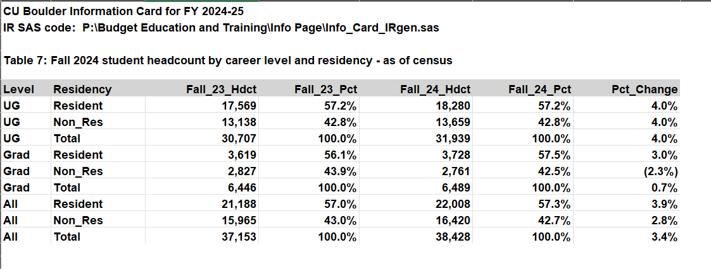
Location:
Path:
Notes: | Contact Blake Redabaugh in ODA for the census data. The census is not conducted until the 3rd Friday after classes begin. Data will be available the following week.

 |  |  |  |  |  |  |  | UG Res | UG NonRes | Grad Res | Grad NonRes
Enrollment Summary (credit hours) |  | Fall 2023 | Fall 2024 |  | # | % | Fall 2021 | 16,623 | 12,888 | 3,786 | 2,600
 |  | Headcount | Headcount | % Total | Change | Change | Fall 2022 | 16,668 | 12,915 | 3,683 | 2,856
UG | Resident | 17,569 | 18,280 | 57% | 711 | 4.05% | Fall 2023 | 17,569 | 13,138 | 3,619 | 2,827
 | Non-Res. | 13,138 | 13,659 | 43% | 521 | 3.97% | Fall 2024 | 18,280 | 13,659 | 3,728 | 2,761
 | Total | 30,707 | 31,939 | 100% | 1,232 | 4.01% | Fall 2025
Grad | Resident | 3,619 | 3,728 | 57% | 109 | 3.01% | Fall 2026
 | Non-Res. | 2,827 | 2,761 | 43% | -66 | -2.33% | Fall 2027
 | Total | 6,446 | 6,489 | 100% | 43 | 0.67% | Fall 2028
All | Resident | 21,188 | 22,008 | 57% | 820 | 3.87% | Fall 2029
 | Non-Res. | 15,965 | 16,420 | 43% | 455 | 2.85% | Fall 2030
 | Total | 37,153 | 38,428 | 100% | 1,275 | 3.43%
 | Validation Check: | TRUE | TRUE

Backup:

